BBC
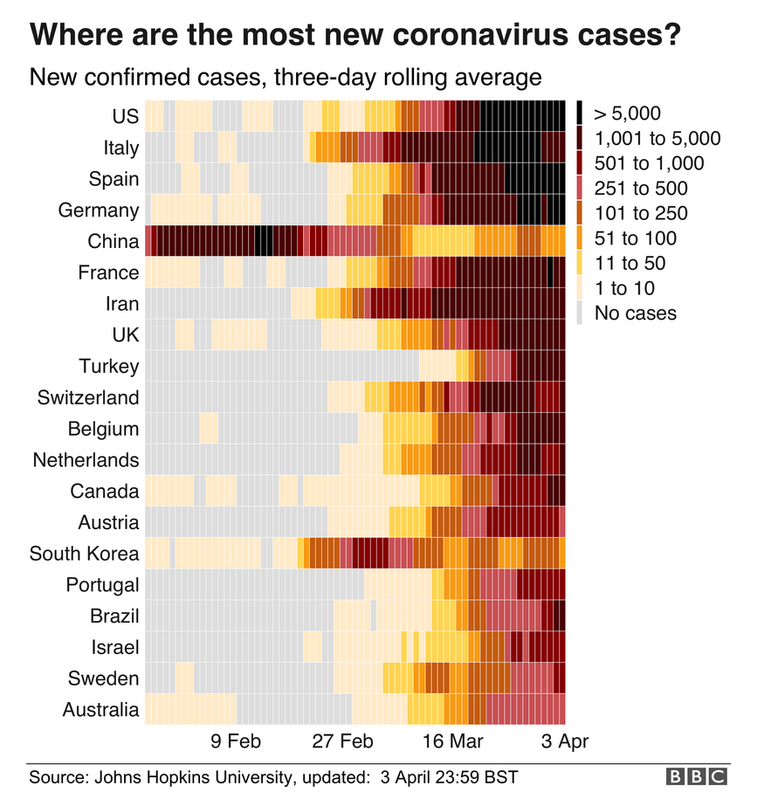

Source | https://www.bbc.com/news/world-51235105
Copyright | © BBC
Accessed | 5.4.2020 at 11:30

Line chart
Corona virus - new confirmed cases
 | United States | Spain | Italy | Germany | China | France | Iran | United Kingdom | Turkey | Switzerland | Belgium | Netherlands
2/1/2020 | 1 | 1 | - | 2 | 2,095 | - | - | - |  | - | - | -
2/2/2020 | 1 | - | - | 1 | 2,590 | - | - | - |  | - | - | -
2/3/2020 | 3 | - | - | 1 | 2,812 | - | - | - |  | - | - | -
2/4/2020 | - | - | - | 2 | 3,237 | - | - | - |  | - | 1 | -
2/5/2020 | - | - | - | - | 3,872 | - | - | - |  | - | - | -
2/6/2020 | 1 | - | - | - | 3,727 | - | - | - |  | - | - | -
2/7/2020 | - | - | - | 1 | 3,160 | - | - | 1 |  | - | - | -
2/8/2020 | - | - | - | 1 | 3,418 | 5 | - | - |  | - | - | -
2/9/2020 | - | - | - | - | 2,607 | - | - | 1 |  | - | - | -
2/10/2020 | - | 1 | - | - | 2,974 | - | - | - |  | - | - | -
2/11/2020 | 1 | - | - | - | 2,490 | - | - | 4 |  | - | - | -
2/12/2020 | - | - | - | 2 | 2,028 | - | - | - |  | - | - | -
2/13/2020 | 1 | - | - | - | 15,141 | - | - | 1 |  | - | - | -
2/14/2020 | 1 | - | - | - | 4,156 | - | - | - |  | - | - | -
2/15/2020 | - | - | - | - | 2,538 | - | - | - |  | - | - | -
2/16/2020 | - | - | - | - | 2,007 | - | - | - |  | - | - | -
2/17/2020 | - | - | - | - | 2,052 | 1 | - | - |  | - | - | -
2/18/2020 | - | - | - | - | 1,890 | - | - | - |  | - | - | -
2/19/2020 | - | - | - | - | 1,750 | - | - | - |  | - | - | -
2/20/2020 | - | - | - | - | 394 | - | 2 | - |  | - | - | -
2/21/2020 | 1 | - | - | - | 891 | - | 3 | - |  | - | - | -
2/22/2020 | 19 | - | 14 | - | 826 | - | 13 | - |  | - | - | -
2/23/2020 | - | - | 62 | - | 647 | - | 10 | - |  | - | - | -
2/24/2020 | - | - | 53 | - | 218 | - | 15 | 4 |  | - | - | -
2/25/2020 | 18 | 1 | 97 | - | 515 | - | 18 | - |  | - | - | -
2/26/2020 | - | 4 | 93 | 2 | 410 | 2 | 34 | - |  | 1 | - | -
2/27/2020 | 6 | 5 | 78 | 4 | 439 | 3 | 44 | - |  | - | - | -
2/28/2020 | 1 | 13 | 250 | 26 | 329 | 21 | 106 | 3 |  | 7 | - | 1
2/29/2020 | 6 | 9 | 238 | 10 | 428 | 19 | 143 | 2 |  | 4 | - | 1
3/1/2020 | 3 | 32 | 240 | 54 | 574 | 43 | 205 | 5 |  | 6 | - | 5
3/2/2020 | 20 | 17 | 561 | 18 | 205 | 30 | 385 | 13 |  | 6 | 1 | 6
3/3/2020 | 14 | 31 | 146 | 28 | 127 | 48 | 523 | 4 |  | 6 | 6 | 5
3/4/2020 | 22 | 37 | 667 | 39 | 119 | 34 | 835 | 11 |  | 7 | 5 | 10
3/5/2020 | 34 | 49 | 587 | 66 | 117 | 73 | 586 | 34 |  | 20 | 10 | 10
3/6/2020 | 74 | 61 | 769 | 138 | 170 | 138 | 591 | 30 |  | 30 | 27 | 44
3/7/2020 | 105 | 113 | 778 | 284 | 101 | 190 | 1,234 | 48 |  | 122 | 59 | 46
3/8/2020 | 95 | 56 | 1,247 | 163 | 46 | 103 | 1,076 | 43 |  | 55 | 60 | 60
3/9/2020 | 121 | 159 | 1,492 | 55 | 45 | 410 | 743 | 67 |  | 68 | 31 | 77
3/10/2020 | 200 | 615 | 1,797 | 237 | 20 | 286 | 595 | 48 |  | 42 | 39 | 56
3/11/2020 | 271 | 435 | 977 | 157 | 29 | 372 | 881 | 52 |  | 116 | 28 | 61
3/12/2020 | 287 | 501 | 2,313 | 271 | 24 | 497 | 958 | 83 | 1 | 152 | 47 | 121
3/13/2020 | 351 | 864 | 2,651 | 802 | 22 | 595 | 1,075 | 134 | 1 | 212 | 85 | 111
3/14/2020 | 511 | 1,227 | 2,547 | 693 | 19 | 785 | 1,289 | 117 |  | 267 | 160 | 190
3/15/2020 | 777 | 1,522 | 90 | 733 | 22 | 838 | 1,365 | 433 |  | 238 | 130 | 155
3/16/2020 | 823 | 2,000 | 6,230 | 1,043 | 25 | 924 | 1,209 | 251 | 16 | 841 | 197 | 176
3/17/2020 | 887 | 1,438 | 4,000 | 1,174 | 43 | 1,210 | 1,053 | 152 | 29 | - | 199 | 278
3/18/2020 | 1,766 | 1,987 | 3,526 | 1,144 | 23 | 1,097 | 1,178 | 407 | 51 | 450 | 158 | 292
3/19/2020 | 2,988 | 2,538 | 4,207 | 1,042 | 44 | 1,404 | 1,192 | 680 | 93 | 360 | 243 | 346
3/20/2020 | 4,835 | 3,431 | 5,322 | 5,940 | 99 | 1,861 | 1,046 | 647 | 168 | 878 | 309 | 409
3/21/2020 | 5,374 | 2,833 | 5,986 | 4,049 | 52 | 1,617 | 1,237 | 706 | 311 | 952 | 462 | 534
...

Source | https://ourworldindata.org/coronavirus-source-data
Copyright | © ECDC [2005-2019]
Data | Corona virus - new confirmed cases
Accessed | 5.4.2020 at 11:32

